Single Line Record
Bit Record
Bit Record
 |  |  |  |  |  | Operator |  |  |  |  | Contractor |  |  |  |  |  | Rig Number |  |  |  |  | Well Type
 |  |  |  |  |  | SHELL |  |  |  |  | NABORS |  |  |  |  |  | 322 |  |  |  |  | Horizontal |  |  |  |  |  |  |  |  |  |  |  |  | Revision C
 |  |  |  |  |  | Operators Rep. |  |  |  |  | Contractors Rep. |  |  |  |  |  | Field Salesman |  |  |  |  |  |  | Contract Type |  |  |  |  |  |  |  |  |  |  | Updated To
 |  |  |  |  |  | TOMMY DOWNES/JOHNNY BLASSER |  |  |  |  | SAM CLINARD/ALEX |  |  |  |  |  | SKR |  |  |  |  |  |  | Day Work |  |  |  |  |  |  |  |  |  |  | 2015-10-19
Lease Name |  |  |  |  |  |  |  |  | Lease Number |  |  | Latitude |  |  |  |  | Longitude |  |  |  |  |  |  | API Number |  |  |  |  | State |  | County
GALAPAGOS 53-2-LOV |  |  |  |  |  |  |  |  | #3H |  |  | 31.781624 |  |  |  |  | -103.576744 |  |  |  |  |  |  | 42-301-32670 |  |  |  |  | TX |  | Loving
Drill |  | OD | Weight | Drill | Length | O.D. | I.D. | Pump | Make |  |  |  |  | Model |  |  |  | Stroke |  | Liner |  | Spud Date (1st Rig) |  |  |  |  |  |  |  |  | 2015-10-15
Pipe |  |  |  | Collar |  |  |  | No. 1 | EMSCO |  |  |  |  | FB-1600 |  |  |  | 12 |  | 6.00 |  | TD Date (1st Rig)
Drill |  | OD | Weight | Drill | Length | O.D. | I.D. | Pump | Make |  |  |  |  | Model |  |  |  | Stroke |  | Liner |  | Start Date (2nd Rig)
Pipe |  |  |  | Collar |  |  |  | No. 2 | EMSCO |  |  |  |  | FB-1600 |  |  |  | 12 |  | 6.00 |  | TD Date (2nd Rig)

BIT |  |  |  | SERIAL | JETS/ | Measured | FEET |  | ROP | ACC. | WEIGHT | POWER SOURCE RPM |  |  |  | VERT. | PUMP | FLOW | SPM1 | SPM2 | DIFF | MUD |  |  |  | IADC DULL GRADE |  |  |  |  |  |  |  | Formations
NO. | SIZE | MFG. | TYPE | NO. | TFA | DEPTH Out | Drilled | HOURS | Ft/Hr | HRS. | KLBS | Rotary | R-M-S-T | Motor | Total | DEV. | PRESS. | RATE |  |  | PRESS. | Typ | WT | PV | YP | I | O | DC | L | B | G | O | R

1 | 12.250 | DRILFORMANCE | 616X2 | 13067 | 7-20 | 4437 | 4291 | 38.50 | 111.5 | 38.50 | 30 | 55 | M | 121 | 176 |  | 1000 | 713 | 85 | 85 |  |  | 8.8 | 27.0 |  |  |  |  |  |  |  |  |  | 10/20/15
 |  |  |  |  |  |  |  |  |  |  |  |  |  |  |  |  |  |  |  |  |  | Comment |  | NO DULL GRADE |  |  |  |  |  |  |  |  |  | SAND/SHALE
 | Bottom Hole Assembly: |  |  | BIT, .17 MOTOR, STABILIZER, UBHO, MWD, MONEL, STABILIZER, FILTER SUB, XO, 18-6" DC, XO, 12-4" HWDP, XO |  |  |  |  |  |  |  |  |  |  |  |  | Motor Specs |  | Model |  |  |  |  |  |  |  |  | Rev/Gal |  | Bend |  | Diameter
 | Comments: |  |  |  |  |  |  |  |  |  |  |  |  |  |  |  |  |  |  |  |  |  |  |  |  |  |  | 0.17

2 | 8.750 | HAL | MMD65DM | 12720909 | 6-16 | 9784 | 5347 | 59.00 | 90.6 | 97.50 | 45 | 70 | M | 147 | 217 |  | 3100 | 586 | 70 | 70 |  | B | 9.6 | 27.0 |  |  |  |  |  |  |  |  |  | 10/23/15
 |  |  |  |  |  |  |  |  |  |  |  |  |  |  |  |  |  |  |  |  |  | Comment |  | NO DULL GRADE |  |  |  |  |  |  |  |  |  | SAND
 | Bottom Hole Assembly: |  |  | BIT, MOTOR, STABILIZER, NM PONY, VELOCITY CARRIER, STAB, ILTER SUB, FLOAT SUB, 6"DC, STAB, 17-6"DC, XO |  |  |  |  |  |  |  |  |  |  |  |  | Motor Specs |  | Model |  |  |  |  |  |  |  |  | Rev/Gal |  | Bend |  | Diameter
 | Comments: |  |  |  |  |  |  |  |  |  |  |  |  |  |  |  |  |  |  |  |  |  |  |  |  |  |  | 0.25

3 | 8.750 | NOV | SKH1716M | A21748 | 7-13 | 10955 | 1171 | 13.50 | 86.7 | 111.00 | 40 | 50 | M | 105 | 155 |  | 2600 | 419 | 100 | 100 |  | B | 9.6 | 27.0 |  |  |  |  |  |  |  |  |  | 10/25/15
 |  |  |  |  |  |  |  |  |  |  |  |  |  |  |  |  |  |  |  |  |  | Comment |  | NO DULL GRADE |  |  |  |  |  |  |  |  |  | SAND/SHALE
 | Bottom Hole Assembly: |  |  | BIT, MOTOR, STAB, NM PONY, VELOCITY CARRIER, STAB, NMDC, FILTER SUB, FLOAT SUB, 6" DC, STAB, 17-6" DC, XO |  |  |  |  |  |  |  |  |  |  |  |  | Motor Specs |  | Model |  |  |  |  |  |  |  |  | Rev/Gal |  | Bend |  | Diameter
 | Comments: |  |  |  |  |  |  |  |  |  |  |  |  |  |  |  |  |  |  |  |  |  |  |  |  |  |  | 0.25

4 | 8.750 | BHI | KYMERA | 7046513 | 4-18 | 11747 | 792 | 24.50 | 32.3 | 135.50 | 30 | 20 | M | 126 | 146 |  | 2200 | 503 | 50 | 70 |  | B | 9.6 | 30.0 |  |  |  |  |  |  |  |  | TD | 10/27/15
 |  |  |  |  |  |  |  |  |  |  |  |  |  |  |  |  |  |  |  |  |  | Comment |  | SECTION TD/SKID TO RUN INTERM ON 2H |  |  |  |  |  |  |  |  |  | SAND/SHALE
 | Bottom Hole Assembly: |  |  | BIT, MOTOR, NM PONY, VELOCITY CARRIER, NMDC, FILTER SUB, FLOAT SUB, XO, 30-4.5" DC, XO, 12-HWDP, XO |  |  |  |  |  |  |  |  |  |  |  |  | Motor Specs |  | Model |  |  |  |  |  |  |  |  | Rev/Gal |  | Bend |  | Diameter
 | Comments: |  |  |  |  |  |  |  |  |  |  |  |  |  |  |  |  |  |  |  |  |  |  |  |  |  |  | 0.25

5
 |  |  |  |  |  |  |  |  |  |  |  |  |  |  |  |  |  |  |  |  |  | Comment
 | Bottom Hole Assembly: |  |  |  |  |  |  |  |  |  |  |  |  |  |  |  | Motor Specs |  | Model |  |  |  |  |  |  |  |  | Rev/Gal |  | Bend |  | Diameter
 | Comments:

6
 |  |  |  |  |  |  |  |  |  |  |  |  |  |  |  |  |  |  |  |  |  | Comment
 | Bottom Hole Assembly: |  |  |  |  |  |  |  |  |  |  |  |  |  |  |  | Motor Specs |  | Model |  |  |  |  |  |  |  |  | Rev/Gal |  | Bend |  | Diameter
 | Comments:

7
 |  |  |  |  |  |  |  |  |  |  |  |  |  |  |  |  |  |  |  |  |  | Comment
 | Bottom Hole Assembly: |  |  |  |  |  |  |  |  |  |  |  |  |  |  |  | Motor Specs |  | Model |  |  |  |  |  |  |  |  | Rev/Gal |  | Bend |  | Diameter
 | Comments:

8
 |  |  |  |  |  |  |  |  |  |  |  |  |  |  |  |  |  |  |  |  |  | Comment
 | Bottom Hole Assembly: |  |  |  |  |  |  |  |  |  |  |  |  |  |  |  | Motor Specs |  | Model |  |  |  |  |  |  |  |  | Rev/Gal |  | Bend |  | Diameter
 | Comments:

9
 |  |  |  |  |  |  |  |  |  |  |  |  |  |  |  |  |  |  |  |  |  | Comment
 | Bottom Hole Assembly: |  |  |  |  |  |  |  |  |  |  |  |  |  |  |  | Motor Specs |  | Model |  |  |  |  |  |  |  |  | Rev/Gal |  | Bend |  | Diameter
 | Comments:

10
 |  |  |  |  |  |  |  |  |  |  |  |  |  |  |  |  |  |  |  |  |  | Comment
 | Bottom Hole Assembly: |  |  |  |  |  |  |  |  |  |  |  |  |  |  |  | Motor Specs |  | Model |  |  |  |  |  |  |  |  | Rev/Gal |  | Bend |  | Diameter
 | Comments:

11
 |  |  |  |  |  |  |  |  |  |  |  |  |  |  |  |  |  |  |  |  |  | Comment
 | Bottom Hole Assembly: |  |  |  |  |  |  |  |  |  |  |  |  |  |  |  | Motor Specs |  | Model |  |  |  |  |  |  |  |  | Rev/Gal |  | Bend |  | Diameter
 | Comments:

12
 |  |  |  |  |  |  |  |  |  |  |  |  |  |  |  |  |  |  |  |  |  | Comment
 | Bottom Hole Assembly: |  |  |  |  |  |  |  |  |  |  |  |  |  |  |  | Motor Specs |  | Model |  |  |  |  |  |  |  |  | Rev/Gal |  | Bend |  | Diameter
 | Comments:

13
 |  |  |  |  |  |  |  |  |  |  |  |  |  |  |  |  |  |  |  |  |  | Comment
 | Bottom Hole Assembly: |  |  |  |  |  |  |  |  |  |  |  |  |  |  |  | Motor Specs |  | Model |  |  |  |  |  |  |  |  | Rev/Gal |  | Bend |  | Diameter
 | Comments:

14
 |  |  |  |  |  |  |  |  |  |  |  |  |  |  |  |  |  |  |  |  |  | Comment
 | Bottom Hole Assembly: |  |  |  |  |  |  |  |  |  |  |  |  |  |  |  | Motor Specs |  | Model |  |  |  |  |  |  |  |  | Rev/Gal |  | Bend |  | Diameter
 | Comments:

15
 |  |  |  |  |  |  |  |  |  |  |  |  |  |  |  |  |  |  |  |  |  | Comment
 | Bottom Hole Assembly: |  |  |  |  |  |  |  |  |  |  |  |  |  |  |  | Motor Specs |  | Model |  |  |  |  |  |  |  |  | Rev/Gal |  | Bend |  | Diameter
 | Comments:

16
 |  |  |  |  |  |  |  |  |  |  |  |  |  |  |  |  |  |  |  |  |  | Comment
 | Bottom Hole Assembly: |  |  |  |  |  |  |  |  |  |  |  |  |  |  |  | Motor Specs |  | Model |  |  |  |  |  |  |  |  | Rev/Gal |  | Bend |  | Diameter
 | Comments:

17
 |  |  |  |  |  |  |  |  |  |  |  |  |  |  |  |  |  |  |  |  |  | Comment
 | Bottom Hole Assembly: |  |  |  |  |  |  |  |  |  |  |  |  |  |  |  | Motor Specs |  | Model |  |  |  |  |  |  |  |  | Rev/Gal |  | Bend |  | Diameter
 | Comments:

18
 |  |  |  |  |  |  |  |  |  |  |  |  |  |  |  |  |  |  |  |  |  | Comment
 | Bottom Hole Assembly: |  |  |  |  |  |  |  |  |  |  |  |  |  |  |  | Motor Specs |  | Model |  |  |  |  |  |  |  |  | Rev/Gal |  | Bend |  | Diameter
 | Comments:

Multi-Line Record
Bit Record
 |  |  |  |  |  | Operator |  |  |  |  | Contractor |  |  |  |  |  | Rig Number |  |  |  |  | Well Type
 |  |  |  |  |  |  |  |  |  |  |  |  |  |  |  |  |  |  |  |  |  |  |  |  |  |  |  |  |  |  |  |  |  |  | Revision C
 |  |  |  |  |  | Operator's Rep. |  |  |  |  | Contractor's Rep. |  |  |  |  |  | Field Salesman |  |  |  |  |  |  | Contract Type |  |  |  |  |  |  |  |  |  |  | Updated To
 |  |  |  |  |  |  |  |  |  |  |  |  |  |  |  |  |  |  |  |  |  |  |  |  |  |  |  |  |  |  |  |  |  |  | 2015-10-19
Lease Name |  |  |  |  |  |  |  |  | Lease Number |  |  | Latitude |  |  |  |  | Longitude |  |  |  |  |  |  | API Number |  |  |  |  | State |  | County

Drill |  | OD | Weight | Drill | Length | O.D. | I.D. | Pump | Make |  |  |  |  | Model |  |  |  | Stroke |  | Liner |  | Spud Date (1st Rig)
Pipe |  |  |  | Collar |  |  |  | No. 1 |  |  |  |  |  |  |  |  |  |  |  |  |  | TD Date (1st Rig)
Drill |  | OD | Weight | Drill | Length | O.D. | I.D. | Pump | Make |  |  |  |  | Model |  |  |  | Stroke |  | Liner |  | Start Date (2nd Rig)
Pipe |  |  |  | Collar |  |  |  | No. 2 |  |  |  |  |  |  |  |  |  |  |  |  |  | TD Date (2nd Rig)

BIT |  |  |  | SERIAL | JETS/ | Measured | FEET |  | ROP | ACC. | WEIGHT | POWER SOURCE RPM |  |  |  | VERT. | PUMP | FLOW | SPM1 | SPM2 | DIFF | MUD |  |  |  | Formations | IADC DULL GRADE
NO. | SIZE | MFG. | TYPE | NO. | TFA | Depth Out | Drilled | Hrs | Ft/Hr | HRS. | KLBS | Rotary | R-M-S-T | Motor | Total | DEV. | PRESS. | RATE |  |  | PRESS. | Typ | WT | PV | YP |  | I | O | DC | L | B | G | O | RP

1.1
 |  |  |  |  |  |  |  |  |  |  |  |  |  |  |  |  |  |  |  |  |  |  |  |  |  |  | DULL BIT COMMENTS
1.2

1.3

1.4

1.5

1.6

1.7

1.8

TOTAL

 | Bottom Hole Assembly: |  |  |  |  |  |  |  |  |  |  |  |  |  |  |  | MOTOR SPECS |  | Model |  |  |  |  |  |  |  |  | Rev/Gal |  | Bend |  |  | Diameter
 | Comments:

2.1
 |  |  |  |  |  |  |  |  |  |  |  |  |  |  |  |  |  |  |  |  |  |  |  |  |  |  | DULL BIT COMMENTS
2.2

2.3

2.4

2.5

2.6

2.7

2.8

TOTAL

 | Bottom Hole Assembly: |  |  |  |  |  |  |  |  |  |  |  |  |  |  |  | MOTOR SPECS |  | Model |  |  |  |  |  |  |  |  | Rev/Gal |  | Bend |  |  | Diameter
 | Comments:

3.1
 |  |  |  |  |  |  |  |  |  |  |  |  |  |  |  |  |  |  |  |  |  |  |  |  |  |  | DULL BIT COMMENTS
3.2

3.3

3.4

3.5

3.6

3.7

3.8

TOTAL

 | Bottom Hole Assembly: |  |  |  |  |  |  |  |  |  |  |  |  |  |  |  | MOTOR SPECS |  | Model |  |  |  |  |  |  |  |  | Rev/Gal |  | Bend |  |  | Diameter
 | Comments:

4.1
 |  |  |  |  |  |  |  |  |  |  |  |  |  |  |  |  |  |  |  |  |  |  |  |  |  |  | DULL BIT COMMENTS
4.2

4.3

4.4

4.5

4.6

4.7

4.8

TOTAL

 | Bottom Hole Assembly: |  |  |  |  |  |  |  |  |  |  |  |  |  |  |  | MOTOR SPECS |  | Model |  |  |  |  |  |  |  |  | Rev/Gal |  | Bend |  |  | Diameter
 | Comments:

5.1
 |  |  |  |  |  |  |  |  |  |  |  |  |  |  |  |  |  |  |  |  |  |  |  |  |  |  | DULL BIT COMMENTS
5.2

5.3

5.4

5.5

5.6

5.7

5.8

TOTAL

 | Bottom Hole Assembly: |  |  |  |  |  |  |  |  |  |  |  |  |  |  |  | MOTOR SPECS |  | Model |  |  |  |  |  |  |  |  | Rev/Gal |  | Bend |  |  | Diameter
 | Comments:

6.1
 |  |  |  |  |  |  |  |  |  |  |  |  |  |  |  |  |  |  |  |  |  |  |  |  |  |  | DULL BIT COMMENTS
6.2

6.3

6.4

6.5

6.6

6.7

6.8

TOTAL

 | Bottom Hole Assembly: |  |  |  |  |  |  |  |  |  |  |  |  |  |  |  | MOTOR SPECS |  | Model |  |  |  |  |  |  |  |  | Rev/Gal |  | Bend |  |  | Diameter
 | Comments:

7.1
 |  |  |  |  |  |  |  |  |  |  |  |  |  |  |  |  |  |  |  |  |  |  |  |  |  |  | DULL BIT COMMENTS
7.2

7.3

7.4

7.5

7.6

7.7

7.8

TOTAL

 | Bottom Hole Assembly: |  |  |  |  |  |  |  |  |  |  |  |  |  |  |  | MOTOR SPECS |  | Model |  |  |  |  |  |  |  |  | Rev/Gal |  | Bend |  |  | Diameter
 | Comments:

8.1
 |  |  |  |  |  |  |  |  |  |  |  |  |  |  |  |  |  |  |  |  |  |  |  |  |  |  | DULL BIT COMMENTS
8.2

8.3

8.4

8.5

8.6

8.7

8.8

TOTAL

 | Bottom Hole Assembly: |  |  |  |  |  |  |  |  |  |  |  |  |  |  |  | MOTOR SPECS |  | Model |  |  |  |  |  |  |  |  | Rev/Gal |  | Bend |  |  | Diameter
 | Comments:

Formulas
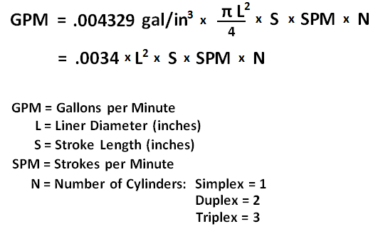

Bit Grading Reference
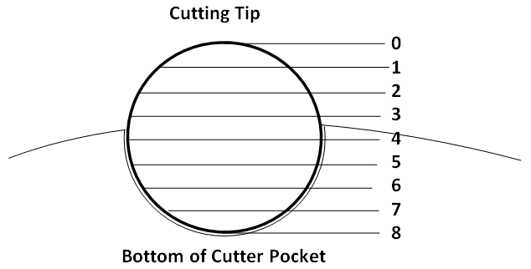
 | Well Profile |  | Contract | Cutter Wear Ratings
 | Vertical |  | Day Work
 | Horizontal |  | Footage
 | S Curve |  | Turnkey
 | Directional

Dull/Other Condition Codes |  | Location Codes |  |  | Reason Pulled |  | Gauge Condition

BC | Broken Cone | C | Cone |  | BHA | Change Bottom Hole Assembly | I | In Gauge
BF | Bond Failure | N | Nose |  | DMF | Downhole Motor Failure
BT | Broken Teeth/Cutters | T | Taper |  | DSF | Drill String Faliure | 1 | Undergauge up to 1/16"
BU | Balled Up | S | Shoulder |  | DST | Drill Stem Test
CC | Cracked Cone | G | Gauge |  | DTF | Downhole Tool Failure | 2 | Undergauge 1/16" to 1/8"
CD | Cone Dragged | A | All Areas |  | LOG | Run Logs
CI | Cone Interference |  |  |  | RIG | Rig Repair | 3 | Undergauge 1/8" to 3/16"
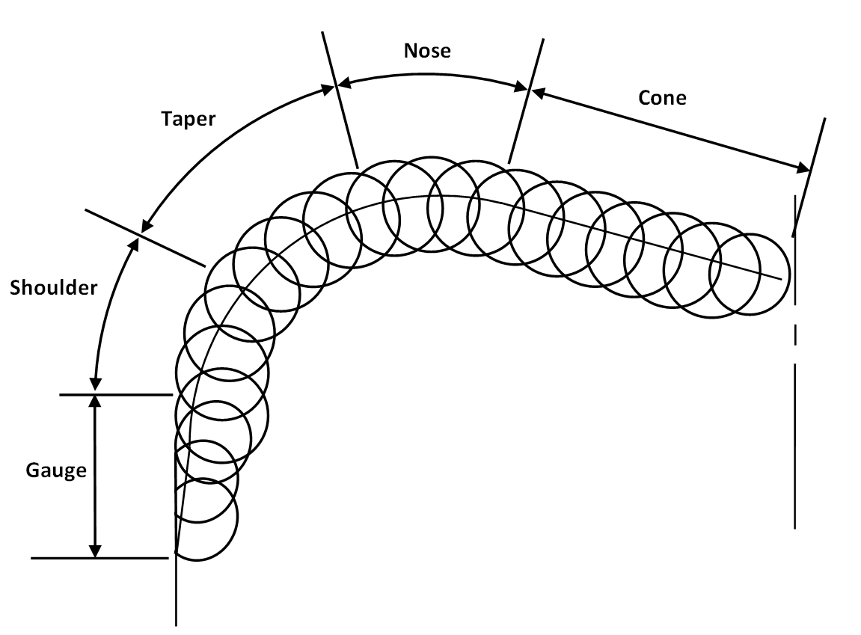
CR | Cored |  |  |  | CM | Condition Mud
CT | Chipped Teeth/Cutters |  |  |  | CP | Core Point | 4 | Undergauge 3/16" to 1/4"
ER | Erosion |  |  |  | DP | Drill Plug
FC | Flat Crested Wear |  |  |  | FM | Formation Change | 5 | Undergauge 1/4" to 5/16"
HC | Heat Checking |  |  |  | HP | Hole Problems
JD | Junk Damage |  |  |  | HR | Hours | 6 | Undergauge 5/16" to 3/8"
LC | Lost Cone |  |  |  | PP | Pump Pressure
LN | Lost Nozzle |  |  |  | PR | Penetration Rate | 7 | Undergauge 3/8" to 7/16"
LT | Lost Teeth/Cutters |  |  |  | TD | Total Depth / Casing Point
NO | No Major / Other Dull Characteristics |  |  |  | TQ | Torque | 8 | Undergauge 7/16" to 1/2"
NR | Not Rerunnable |  |  |  | TW | Twist Off
OC | Off-Center Wear |  |  |  | WC | Weather Conditions | 9 | Undergauge 1/2" to 9/16"
PB | Pinched Bit |  |  |  | WO | Drillstring Washout
PN | Plugged Nozzle / Flow Passage |  |  |  | KOP | Kick Off Point | 10 | Undergauge 9/16" to 5/8"
RG | Rounded Gauge
RO | Ring Out |  |  |  |  |  | 11 | Undergauge 5/8" to 11/16"
RR | Rerunnable
SD | Shirttail Damage |  |  |  |  |  | 12 | Undergauge 11/16" to 3/4"
SS | Self Sharpening Wear
TR | Tracking |  |  |  |  |  | 13 | Undergauge 3/4" to 13/16"
WO | Wash Out
WT | Worn Teeth / Cutters |  |  |  |  |  | 14 | Undergauge 13/16" to 7/8"

 |  |  |  |  |  |  | 15 | Undergauge 7/8" to 15/16"

 |  |  |  |  |  |  | 16 | Undergauge 15/16" to 1"

